Sheet1
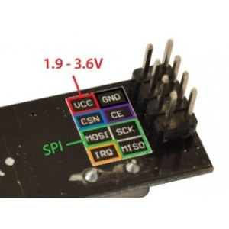
Clicker
 | Atmega Pins
Uno/Nano | 4 | -> | Button A | -> | 10k ohms | -> | GND
 | 5 | -> | Button B | -> | 10k ohms | -> | GND
 | 6 | -> | Button C | -> | 10k ohms | -> | GND
 | 11 | -> | Button D | -> | 10k ohms | -> | GND
 | 14 | -> | 330 Ohms | -> | LED (green) | -> | GND
 | 15 | -> | 330 Ohms | -> | LED (red) | -> | GND
 | 12 | -> | CE | -> | NRF24L01
 | 13 | -> | CSN | ->
 | 17 | -> | MOSI | -> | NRF24L01
 | 18 | -> | MISO | ->
 | 19 | -> | SCK | ->

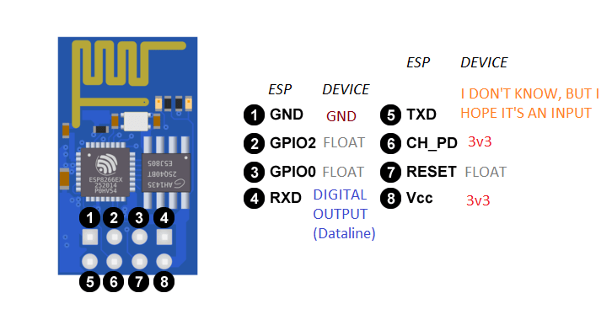
Data logger
 | AtMesga Pins
Uno | 2 | -> | TX | -> | NodeMCU | -> | 3
 | 3 | -> | RX | -> | NodeMCU | -> | 4
 | 12 | -> | CE | -> | NRF24L01
 | 13 | -> | CSN | ->
 | 14 | -> | 330 Ohms | -> | LED (Green) | -> | GND
 | 15 | -> | 330 Ohms | -> | LED (red) | -> | GND
 | 17 | -> | MOSI | -> | NRF24L01 | ->
 | 18 | -> | MISO | -> |  | ->
 | 19 | -> | SCK | -> |  | ->

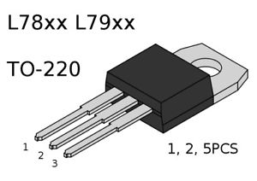
 | NodeMCU
 | 1 | -> | Vcc | -> | NRF24L01
 | 2 | -> | GND

